1516_8
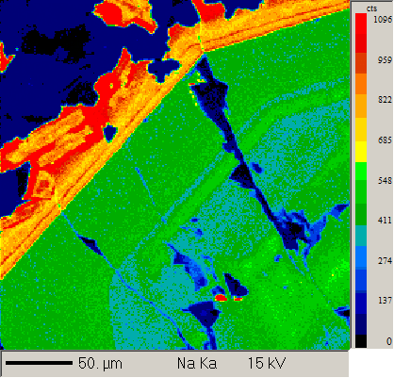
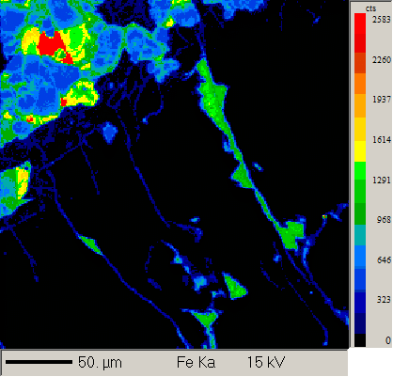
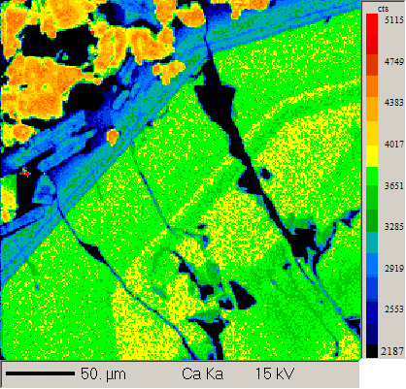
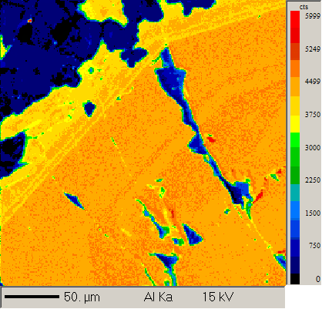
group 3 |  |  |  | N.B check detection limits |  |  |  |  |  |  |  |  |  |  | Geoff notes | Plag 1 element maps
15_16_8

Auto analysis

 | Al2O3 | SiO2 | CaO | Na2O | FeO | MgO | MnO | K2O | SrO | TiO2 | NiO | Cr2O3 | Total | Comment from probe session
1 / 1 . | 33.05 | 48.29 | 16.53 | 2.08 | 0.62 | 0.19 | 0.01 | 0.04 | 0.05 | 0.04 |  |  | 100.91 | 4. Core to Rim of Plag | Plagioclase 4 transect
1 / 2 . | 32.40 | 48.43 | 16.45 | 2.20 | 0.80 | 0.35 | 0.01 | 0.04 | 0.07 | 0.05 |  |  | 100.81 | 4. Core to Rim of Plag | core
1 / 3 . | 32.42 | 48.36 | 16.61 | 2.20 | 0.64 | 0.19 | 0.00 | 0.04 | 0.06 | 0.04 |  |  | 100.57 | 4. Core to Rim of Plag
1 / 4 . | 32.52 | 46.94 | 16.84 | 1.94 | 0.60 | 0.18 | 0.01 | 0.03 | 0.05 | 0.04 |  |  | 99.15 | 4. Core to Rim of Plag
1 / 5 . | 32.36 | 47.98 | 16.81 | 2.14 | 0.61 | 0.21 | 0.00 | 0.03 | 0.05 | 0.04 |  |  | 100.22 | 4. Core to Rim of Plag
1 / 6 . | 33.15 | 46.59 | 17.21 | 1.77 | 0.61 | 0.19 | 0.01 | 0.03 | 0.06 | 0.04 |  |  | 99.65 | 4. Core to Rim of Plag
1 / 7 . | 32.75 | 46.64 | 17.28 | 1.81 | 0.60 | 0.19 | 0.00 | 0.03 | 0.04 | 0.04 |  |  | 99.38 | 4. Core to Rim of Plag
1 / 8 . | 32.86 | 46.43 | 17.35 | 1.70 | 0.60 | 0.19 | 0.00 | 0.03 | 0.05 | 0.04 |  |  | 99.23 | 4. Core to Rim of Plag
1 / 9 . | 32.99 | 46.22 | 17.54 | 1.54 | 0.60 | 0.18 | 0.00 | 0.03 | 0.05 | 0.04 |  |  | 99.19 | 4. Core to Rim of Plag
1 / 10 . | 32.80 | 46.34 | 17.57 | 1.62 | 0.59 | 0.18 | 0.00 | 0.03 | 0.05 | 0.04 |  |  | 99.23 | 4. Core to Rim of Plag
1 / 11 . | 32.05 | 47.63 | 16.70 | 2.13 | 0.59 | 0.22 | 0.01 | 0.03 | 0.06 | 0.04 |  |  | 99.45 | 4. Core to Rim of Plag
1 / 12 . | 32.59 | 47.09 | 17.22 | 1.76 | 0.58 | 0.19 | 0.01 | 0.03 | 0.07 | 0.03 |  |  | 99.57 | 4. Core to Rim of Plag
1 / 13 . | 32.17 | 47.32 | 16.71 | 1.99 | 0.59 | 0.20 | 0.01 | 0.03 | 0.05 | 0.04 |  |  | 99.11 | 4. Core to Rim of Plag
1 / 14 . | 32.49 | 47.22 | 17.04 | 1.91 | 0.59 | 0.20 | 0.01 | 0.03 | 0.06 | 0.04 |  |  | 99.59 | 4. Core to Rim of Plag
1 / 15 . | 32.43 | 47.10 | 17.26 | 1.77 | 0.60 | 0.19 | 0.00 | 0.03 | 0.04 | 0.04 |  |  | 99.46 | 4. Core to Rim of Plag
1 / 16 . | 32.80 | 46.52 | 17.16 | 1.84 | 0.64 | 0.18 | 0.00 | 0.03 | 0.06 | 0.04 |  |  | 99.26 | 4. Core to Rim of Plag
1 / 17 . | 32.62 | 46.91 | 17.00 | 1.81 | 0.67 | 0.15 | 0.01 | 0.03 | 0.04 | 0.04 |  |  | 99.27 | 4. Core to Rim of Plag | rim | Cpx1 element maps
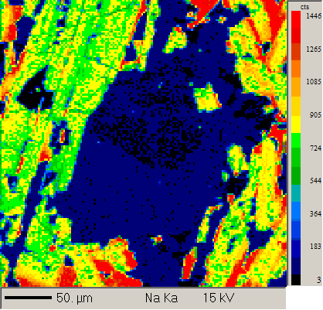
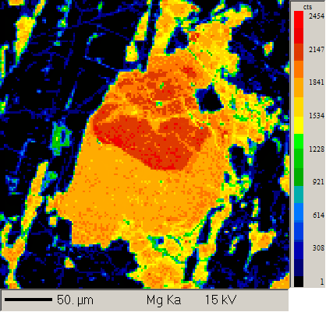
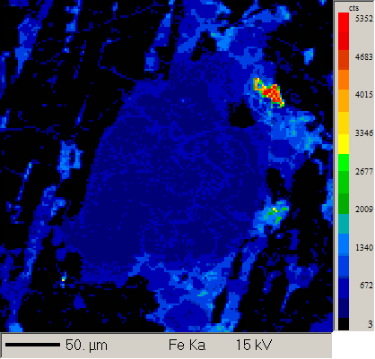
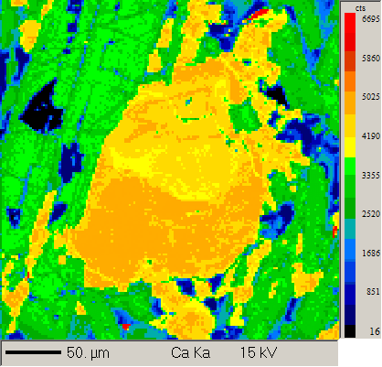
2 / 1 . | 4.62 | 49.59 | 19.80 | 0.20 | 7.32 | 15.46 | 0.18 | 0.00 |  | 1.06 | 0.02 | 0.39 | 98.65 | 1. CPX Rim to Rim | Clinopyroxene transect
2 / 2 . | 5.38 | 48.31 | 19.05 | 0.27 | 7.62 | 15.47 | 0.16 | 0.00 |  | 1.41 | 0.02 | 0.63 | 98.33 | 1. CPX Rim to Rim | rim
2 / 4 . | 5.20 | 48.79 | 20.13 | 0.27 | 7.37 | 15.31 | 0.14 | 0.00 |  | 1.34 | 0.03 | 0.55 | 99.13 | 1. CPX Rim to Rim
2 / 5 . | 4.88 | 48.82 | 19.97 | 0.27 | 7.25 | 15.40 | 0.16 | 0.00 |  | 1.30 | 0.01 | 0.51 | 98.56 | 1. CPX Rim to Rim
2 / 6 . | 5.14 | 49.44 | 20.12 | 0.26 | 7.33 | 15.45 | 0.17 | 0.00 |  | 1.25 | 0.03 | 0.52 | 99.71 | 1. CPX Rim to Rim
2 / 7 . | 5.03 | 49.01 | 20.43 | 0.27 | 7.17 | 15.08 | 0.17 | 0.00 |  | 1.32 | 0.03 | 0.54 | 99.05 | 1. CPX Rim to Rim
2 / 8 . | 4.43 | 49.46 | 20.89 | 0.26 | 6.89 | 14.92 | 0.16 | 0.00 |  | 1.30 | 0.02 | 0.66 | 98.99 | 1. CPX Rim to Rim | core
2 / 9 . | 4.37 | 49.78 | 20.77 | 0.29 | 6.86 | 15.40 | 0.16 | 0.00 |  | 1.04 | 0.02 | 0.72 | 99.41 | 1. CPX Rim to Rim
2 / 10 . | 3.51 | 50.58 | 13.54 | 0.25 | 12.73 | 17.42 | 0.16 | 0.01 |  | 1.13 | 0.02 | 0.47 | 99.81 | 1. CPX Rim to Rim
2 / 11 . | 4.07 | 49.75 | 20.57 | 0.28 | 7.43 | 15.56 | 0.15 | 0.00 |  | 1.02 | 0.03 | 0.51 | 99.38 | 1. CPX Rim to Rim
2 / 12 . | 4.47 | 49.42 | 19.96 | 0.26 | 7.36 | 15.75 | 0.14 | 0.00 |  | 1.01 | 0.03 | 0.58 | 98.99 | 1. CPX Rim to Rim
2 / 13 . | 4.04 | 49.83 | 20.01 | 0.21 | 7.13 | 15.88 | 0.16 | 0.00 |  | 0.95 | 0.02 | 0.57 | 98.82 | 1. CPX Rim to Rim
2 / 14 . | 3.90 | 50.56 | 19.78 | 0.32 | 7.63 | 15.98 | 0.16 | 0.00 |  | 0.93 | 0.02 | 0.55 | 99.84 | 1. CPX Rim to Rim
2 / 15 . | 3.83 | 50.35 | 19.68 | 0.24 | 7.60 | 16.05 | 0.17 | 0.01 |  | 0.96 | 0.02 | 0.61 | 99.49 | 1. CPX Rim to Rim | rim
3 / 1 . | 28.75 | 53.09 | 12.52 | 4.46 | 0.98 | 0.10 | 0.01 | 0.16 | 0.07 | 0.08 |  |  | 100.22 | 1. Plag rim to rim | plagioclase transect (small)
3 / 2 . | 30.13 | 51.20 | 14.01 | 3.38 | 1.03 | 0.14 | 0.01 | 0.14 | 0.06 | 0.09 |  |  | 100.18 | 1. Plag rim to rim | rim
3 / 3 . | 30.64 | 51.28 | 14.35 | 3.39 | 0.95 | 0.24 | 0.00 | 0.10 | 0.05 | 0.07 |  |  | 101.07 | 1. Plag rim to rim
3 / 4 . | 30.76 | 50.23 | 14.75 | 3.26 | 1.30 | 0.56 | 0.00 | 0.09 | 0.07 | 0.06 |  |  | 101.07 | 1. Plag rim to rim
3 / 5 . | 30.42 | 50.72 | 14.70 | 3.21 | 1.44 | 0.69 | 0.01 | 0.10 | 0.05 | 0.07 |  |  | 101.39 | 1. Plag rim to rim
3 / 6 . | 30.46 | 50.39 | 14.49 | 3.37 | 0.90 | 0.18 | 0.00 | 0.08 | 0.04 | 0.07 |  |  | 99.98 | 1. Plag rim to rim
3 / 7 . | 30.59 | 50.37 | 14.51 | 3.25 | 1.00 | 0.13 | 0.00 | 0.10 | 0.04 | 0.07 |  |  | 100.08 | 1. Plag rim to rim | core
3 / 8 . | 30.20 | 50.27 | 14.25 | 3.37 | 1.24 | 0.29 | 0.00 | 1.11 | 0.06 | 0.07 |  |  | 100.87 | 1. Plag rim to rim
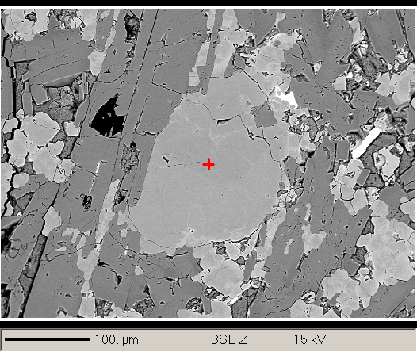
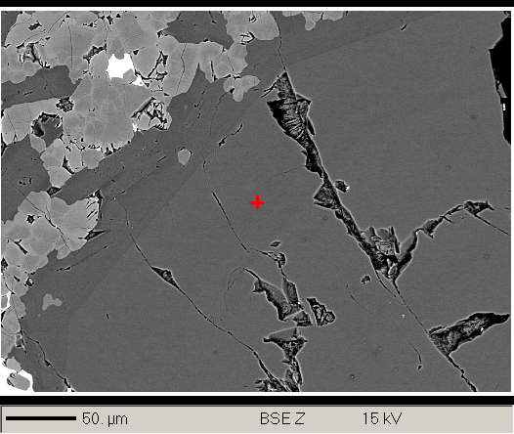
3 / 10 . | 30.37 | 50.60 | 14.10 | 3.37 | 1.06 | 0.08 | 0.00 | 0.12 | 0.05 | 0.07 |  |  | 99.81 | 1. Plag rim to rim
3 / 11 . | 19.64 | 53.77 | 5.16 | 4.58 | 2.43 | 1.00 | 0.01 | 0.93 | 0.05 | 0.13 |  |  | 87.69 | 1. Plag rim to rim
3 / 12 . | 30.60 | 50.49 | 14.69 | 3.26 | 1.08 | 0.11 | 0.00 | 0.12 | 0.06 | 0.08 |  |  | 100.48 | 1. Plag rim to rim
3 / 13 . | 30.22 | 50.74 | 14.46 | 3.38 | 1.02 | 0.11 | 0.00 | 0.11 | 0.05 | 0.08 |  |  | 100.16 | 1. Plag rim to rim
3 / 14 . | 29.94 | 50.45 | 13.97 | 3.49 | 1.00 | 0.09 | 0.01 | 0.13 | 0.05 | 0.09 |  |  | 99.20 | 1. Plag rim to rim | rim
4 / 1 . | 3.04 | 52.13 | 19.04 | 0.21 | 6.57 | 17.39 | 0.17 | 0.01 |  | 0.53 | 0.03 | 0.70 | 99.82 | 2. CPX Core to rim | Clinopyroxene transect
4 / 2 . | 2.07 | 53.10 | 16.90 | 0.18 | 7.32 | 19.04 | 0.20 | 0.00 |  | 0.48 | 0.03 | 0.53 | 99.85 | 2. CPX Core to rim | rim
4 / 3 . | 2.14 | 52.88 | 16.53 | 0.17 | 7.28 | 19.30 | 0.20 | 0.00 |  | 0.52 | 0.02 | 0.42 | 99.47 | 2. CPX Core to rim
4 / 4 . | 2.41 | 52.57 | 17.78 | 0.16 | 7.41 | 18.04 | 0.19 | 0.01 |  | 0.72 | 0.03 | 0.39 | 99.71 | 2. CPX Core to rim
4 / 5 . | 2.77 | 51.37 | 20.63 | 0.21 | 6.90 | 16.29 | 0.15 | 0.00 |  | 0.79 | 0.03 | 0.29 | 99.41 | 2. CPX Core to rim
4 / 6 . | 2.78 | 51.97 | 19.48 | 0.22 | 7.66 | 16.73 | 0.18 | 0.00 |  | 0.86 | 0.03 | 0.32 | 100.23 | 2. CPX Core to rim
4 / 7 . | 2.44 | 52.39 | 20.58 | 0.22 | 6.24 | 16.85 | 0.15 | 0.00 |  | 0.68 | 0.02 | 0.27 | 99.84 | 2. CPX Core to rim
4 / 8 . | 3.78 | 52.51 | 18.24 | 0.22 | 7.94 | 16.41 | 0.17 | 0.01 |  | 0.77 | 0.03 | 0.41 | 100.50 | 2. CPX Core to rim
4 / 9 . | 2.83 | 51.42 | 17.46 | 0.20 | 7.76 | 18.02 | 0.20 | 0.00 |  | 0.69 | 0.03 | 0.40 | 99.01 | 2. CPX Core to rim
4 / 10 . | 4.57 | 49.71 | 19.34 | 0.24 | 7.17 | 16.25 | 0.18 | 0.01 |  | 0.77 | 0.03 | 0.56 | 98.85 | 2. CPX Core to rim | core
4 / 11 . | 4.77 | 49.60 | 19.47 | 0.24 | 7.00 | 15.94 | 0.16 | 0.00 |  | 1.10 | 0.03 | 0.85 | 99.17 | 2. CPX Core to rim
4 / 12 . | 5.12 | 48.99 | 19.57 | 0.28 | 7.06 | 16.02 | 0.15 | 0.00 |  | 1.17 | 0.02 | 1.01 | 99.40 | 2. CPX Core to rim
4 / 13 . | 3.48 | 49.48 | 18.65 | 0.30 | 10.54 | 14.77 | 0.22 | 0.00 |  | 0.86 | 0.02 | 0.67 | 98.99 | 2. CPX Core to rim
4 / 14 . | 2.87 | 50.99 | 19.22 | 0.29 | 8.23 | 16.25 | 0.20 | 0.00 |  | 0.80 | 0.02 | 0.64 | 99.50 | 2. CPX Core to rim
4 / 15 . | 3.15 | 50.43 | 19.32 | 0.33 | 8.66 | 15.43 | 0.20 | 0.00 |  | 0.87 | 0.03 | 0.61 | 99.03 | 2. CPX Core to rim
4 / 16 . | 2.93 | 51.22 | 19.50 | 0.23 | 8.32 | 16.15 | 0.17 | 0.00 |  | 0.78 | 0.03 | 0.29 | 99.63 | 2. CPX Core to rim
4 / 17 . | 28.91 | 51.00 | 13.07 | 3.66 | 1.77 | 0.70 | 0.00 | 0.19 |  | 0.12 | 0.01 | 0.01 | 99.45 | 2. CPX Core to rim
4 / 18 . | 27.99 | 50.44 | 13.64 | 3.66 | 1.70 | 0.92 | 0.20 | 0.11 |  | 1.10 | 0.02 | 0.09 | 99.86 | 2. CPX Core to rim
4 / 19 . | 29.63 | 51.75 | 13.47 | 3.67 | 1.14 | 0.14 | 0.01 | 0.22 |  | 0.09 | 0.00 | 0.00 | 100.12 | 2. CPX Core to rim
4 / 20 . | 29.71 | 50.84 | 13.94 | 3.69 | 1.20 | 0.12 | 0.01 | 0.28 |  | 0.14 | 0.01 | 0.01 | 99.95 | 2. CPX Core to rim
4 / 21 . | 1.58 | 51.11 | 16.64 | 0.27 | 14.17 | 14.67 | 0.25 | 0.01 |  | 0.99 | 0.02 | 0.07 | 99.76 | 2. CPX Core to rim | rim

manual analysis

 | Al2O3 | SiO2 | CaO | Na2O | FeO | MgO | MnO | K2O | SrO | TiO2 | NiO | Cr2O3 | Total | Comment
1 / 1 . | 29.44 | 51.24 | 13.70 | 3.71 | 1.08 | 0.31 | 0.01 | 0.17 | 0.06 | 0.08 |  |  | 99.82 | sample 4 plagioclase cluster rim | plagioclase
2 / 1 . | 32.62 | 48.34 | 16.62 | 2.18 | 0.62 | 0.19 | 0.01 | 0.04 | 0.06 | 0.04 |  |  | 100.72 | sample 4 plagioclase cluster core | plagioclase
3 / 1 . | 29.71 | 51.18 | 13.57 | 3.62 | 1.28 | 0.08 | 0.01 | 0.22 | 0.06 | 0.10 |  |  | 99.83 | sample 4 ground mass plagioclase cluster core | plagioclase
4 / 1 . | 29.19 | 51.20 | 12.97 | 3.30 | 1.59 | 0.19 | 0.00 | 0.42 | 0.07 | 0.11 |  |  | 99.03 | sample 4 ground mass plagioclase cluster rim | plagioclase
5 / 1 . | 2.10 | 51.13 | 19.32 | 0.33 | 11.85 | 13.83 | 0.21 | 0.00 |  | 0.80 | 0.01 | 0.19 | 99.77 | sample 4 ground mass cpx core | clinopyroxene
6 / 1 . | 29.04 | 52.78 | 12.34 | 4.21 | 1.61 | 0.37 | 0.00 | 0.22 | 0.07 | 0.11 |  |  | 100.76 | sample 4 ground mass plagioclase cluster core | plagioclase
7 / 1 . | 29.98 | 50.51 | 13.79 | 3.37 | 1.11 | 0.18 | 0.01 | 0.17 | 0.05 | 0.08 |  |  | 99.26 | sample 4 ground mass plagioclase cluster core | plagioclase
8 / 1 . | 30.49 | 50.74 | 14.18 | 3.35 | 1.22 | 0.08 | 0.00 | 0.23 | 0.07 | 0.11 |  |  | 100.46 | sample 4 ground mass plagioclase cluster rim | plagioclase
9 / 1 . | 2.13 | 51.60 | 19.98 | 0.25 | 8.32 | 15.64 | 0.20 | 0.00 |  | 0.80 | 0.02 | 0.19 | 99.12 | sample 4 ground mass cpx core | clinopyroxene

